1. Title Page
[Customer Purchase Analysis]

Project Name: Instacart Customer Purchase Analysis
Date: July 2023
Analyst Name: Kara Evans

“The Instacart Online Grocery Shopping Dataset 2017”, Accessed from www.instacart.com/datasets/grocery-shopping-2017 via Kaggle on July 15, 2023.
Note: This analysis was performed for learning purposes and all data was fabricated for the CareerFoundry Data Immersion course.

Contents:
Population Flow
Consistency checks
Wrangling steps
Column derivations
Visualizations
Recommendations

2. Population Flow
Customer Purchase Analysis

Population flow

Exclusion flag
Condition: max_order < 5
Obervations to be removed: 1,435,166
Final total count of order_products_all: 30,964,564

Orders_products_combined
Orders_products_merged
Orders_products_all

Total: 32404859
Total: 30964564

Total: 32434489
1.) The grey boxes in the first row of the population flow represent the original data sets as they were when you downloaded them. In the Total fields you need to add the count of the rows when you imported the data set into Jupyter.
2.) The second row of boxes (coloured) represents the data sets after you manipulated them, e.g., removed missing values and duplicates. In the Total fields you need to add the count of the rows after conducting these operations. This offers a visual oveview of how the data flows throughout the data consistency checks.
3.) The third row, where also the arrows are coloured, represents the merges you performed between the datasets. In the Total fields you need to add the count of the rows in the merged datasets, so that you end up with the final dataset (in the red box). Keep in mind the final dataset should be without exclusions (based on the exclusion flag).

3. Consistency checks
 |  |  |  | Customer Purchase Analysis
Consistency checks

Dataset | Missing values | Missing values treatment | Duplicates
orders | days_since_prior_order | renamed to N/A
orders | days_since_prior_order | used crosstab method to verify that null values represent first orders. See sheet 3a.
products | product name | removed
products |  |  | 5 duplicate rows removed
customers | N/A | N/A | N/A
departments | N/A | N/A | N/A
products | prices | unusual prices labeled as NaN and removed from dataframe

4. Wrangling steps
 |  |  |  | Customer Purchase Analysis
Wrangling steps

Columns dropped | Columns renamed | Columns' type changed | Comment/Reason
eval_set |  |  | contains irrelevant system information
 | order_dow to orders_day_of_week |  | changed for clarity
 |  | order_id | changed from integer to string
 |  | user_id | changed from integer to string
 |  | order_number | changed from int64 to int8 to conserve memory
 |  | orders_day_of_week | changed from int64 to int8 to conserve memory
 |  | order_hour_of_day | changed from int64 to int8 to conserve memory
 |  | days_since_prior_order | changed from float64 to float 16 to conserve memory
 |  | product_id | changed from int64 to int32 to conserve memory
 |  | aisle_id | changed from int64 to int32 to conserve memory
 |  | department_id | changed from int64 to int8 to conserve memory
 |  | prices | changed from float64 to float32 to conserve memory
 |  | Age | changed from int64 to int32 to conserve memory
 |  | Number Dependents | changed from int64 to int8 to conserve memory
 |  | First name | changed to string to conserve memory
 |  | max_order | int32 to conserve memory
 |  | average_price | int32 to conserve memory
 |  | median_days_prior_order | float32 to conserve memory
 | order_number |  | changed to user_order_number
 | User ID' : 'user_id','Surnam' : 'Surname', 'Gender' : 'Sex', 'STATE' : 'State', 'date_joined' : 'Date Joined', 'n_dependants' : 'Number Dependents', 'fam_status' : 'Family Status', 'income' : 'Income' |  | changes made for clarity and consistency
First Name, Surname |  |  | Contains personally identifiable information

5. Column derivations
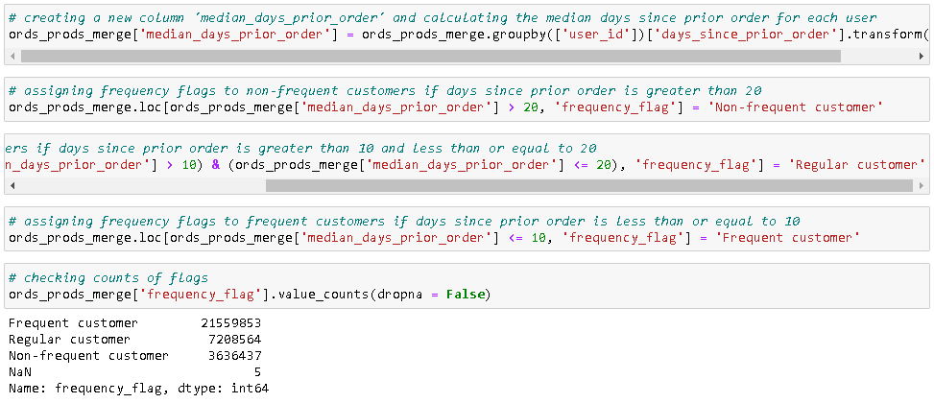
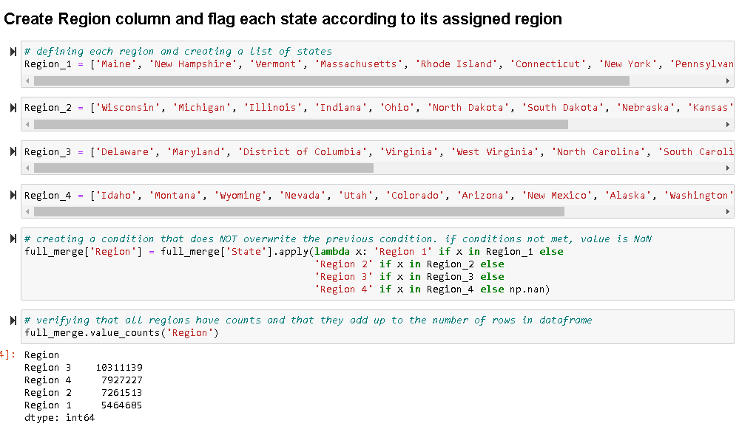
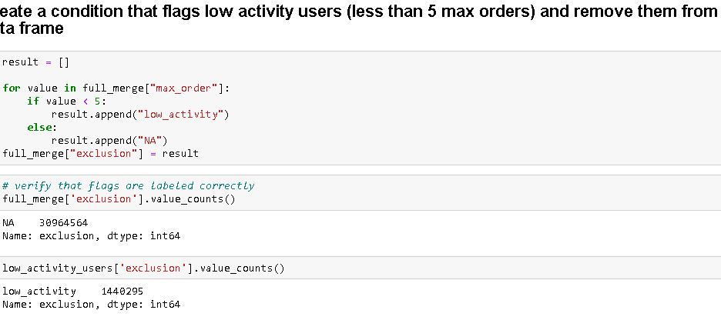
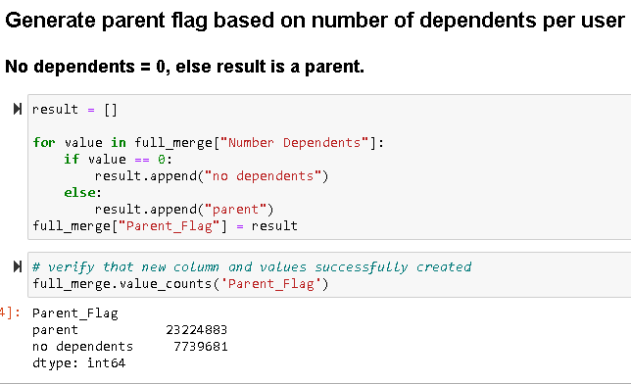
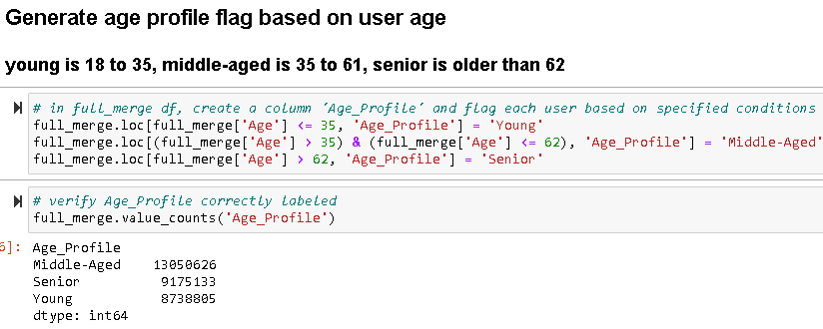
 |  |  |  | Customer Purchase Analysis

Column derivations and aggregations

Dataset | New column | Column/s it was derived from | Conditions
ords_prods_merge | price_range_loc | prices | if price is less than or equal to $5, product is low price-range, greater than $5 or less than/equal to $15 product is mid-range, greater than $15 product is high-range
ords_prods_merge | busiest_day | orders_day_of_week | based on total order counts for day of week, assign label based on number of orders
ords_prods_merge | busiest_period_of_day | order_hour_of_day | based on total order counts for hour of day, assign label based on number of orders
ords_prods_merge | mean, max, min user order numbers | department_id | aggregate counts of user orders to calculate mean, max, min for each department
ords_prods_merge | max_order | user_id, order_number | max count of orders for each user
ords_prods_merge | loyalty_flag | max_order | if max order is greater than 40 user is loyal customer, less than or equal to 40 and greater than 10 user is regular customer, less than or equal to 10 user is new customer
ords_prods_merge | mean, count, std, min, max prices | loyalty_flag | aggregate of prices to calculate mean, count, standard deviation, min, max for each loyalty flag
ords_prods_merge | average_price | user_id, prices | average price calculated for each user
ords_prods_merge | spending_flag | average_price | if average price is less than $10 user is low spender, greater than or equal to $10 user is high spender
ords_prods_merge | median_days_prior_order | user_id, days_since_prior_order | median days from prior order calculated for each user
ords_prods_merge | frequency_flag | median_days_prior_order | if median days is greater than 20 customer is non-frequent customer, if greater than 10 and less than or equal to 20 regular customer, if less than or equal to 10 frequent customer
full_merge | Region | State | Region 1: Maine, New Hampshire, Vermont, Massachusetts, Rhode Island, Connecticut, New York, Pennsylvania, New Jersey; Region 2: Wisconsin, Michigan, Illinois, Indiana, Ohio, North Dakota, South Dakota, Nebraska, Kansas, Minnesota, Iowa, Missouri; Region 3: Delaware, Maryland, District of Columbia, Virginia, West Virginia, North Carolina, South Carolina, Georgia, Florida, Kentucky, Tennessee, Mississippi, Alabama, Oklahoma, Texas, Arkansas, Louisiana; Region 4: Idaho, Montana, Wyoming, Nevada, Utah, Colorado, Arizona, New Mexico, Alaska, Washington, Oregon, California, Hawaii
full_merge | exclusion | max_order | if max order is less than 5 user has low activity and is excluded from data frame. Only users with greater than 5 orders included in analysis.
full_merge | Parent_Flag | Number Dependents | If user has 0 dependents labeled 'no dependents. All other users labeled as 'parent'.
full_merge | Age_Profile | Age | Young if user is less than or equal to 35, middle-aged is greater than 35 and less than or equal to 62, senior if greater than 62.
full_merge | mean, max, min prices, income, max_order, median_days_prior_order | Age_Profile, Parent_Flag, spending_flag, frequency_flag, loyalty_flag | aggregate of mean, max, min of prices for each age profile, parent flag, spending flag, frequency flag, and loyalty flag

Price ranges:

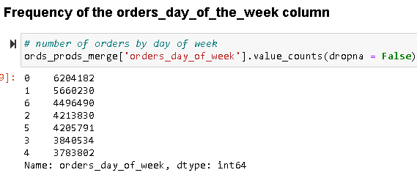

Busiest Day:
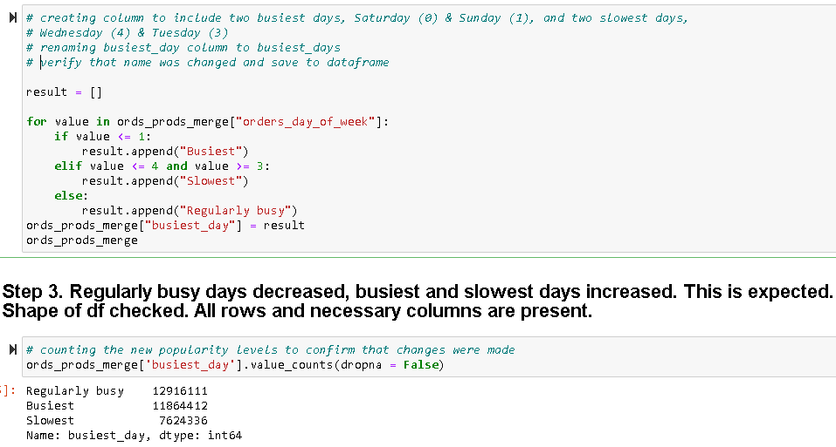

Hour of day:
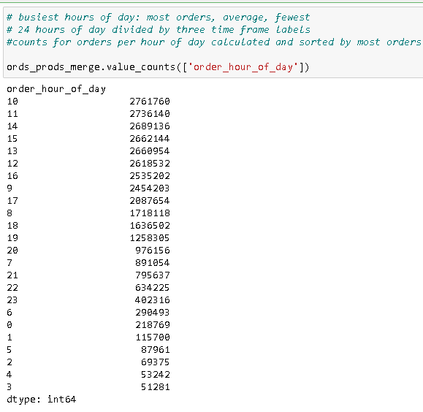

Busiest Period of Day:
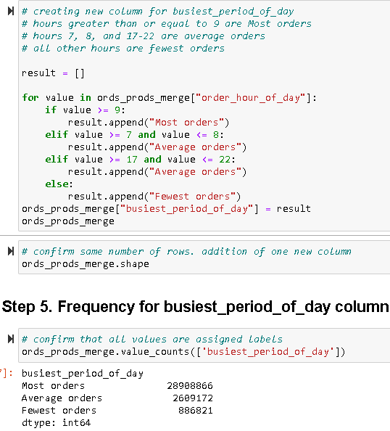

Loyalty flags:

Spending flags:
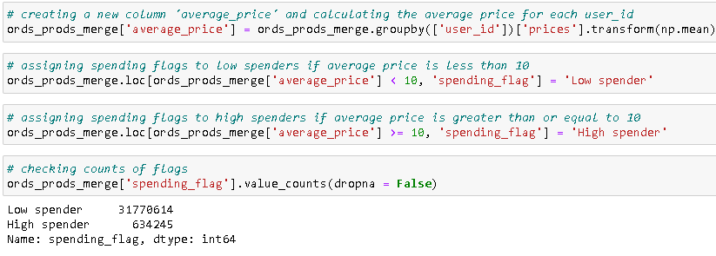

Frequency flags:

6. Visualizations
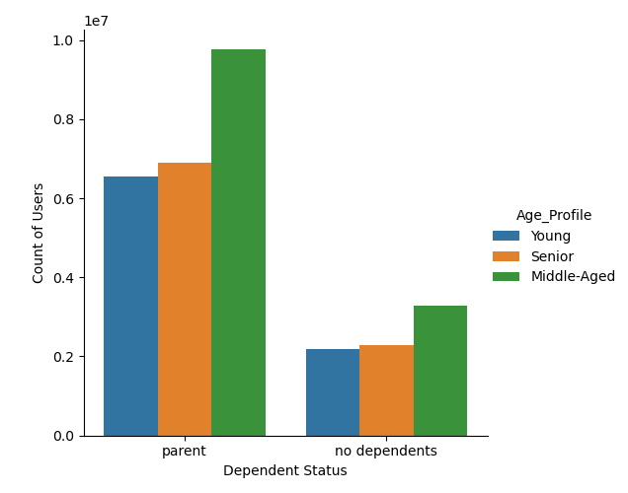
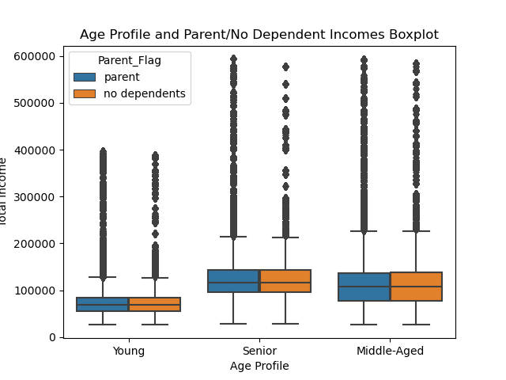
 |  |  |  |  | Customer Purchase Analysis

Visualizations
 |  |  |  |  |  |  |  | User spending peaks early in the day around 2:00am to 3:00am, 4:00am to 5:00am, and 6:00am to 7:00am. Spending is at its lowest around 7:00am to 10:00am. Around 11:00am spending steadily increases just before 3:00pm. There is a final spike of spending around 10:00pm.

The busiest days of the week are Saturday (day 0) and Sunday (day 1). Tuesday (day 3) and Wednesday (day 4) have the least number of orders during the week. |  |  | The busiest hours of the day are 10am and 11am. Orders begin to decline at 3:00pm until 4:00am the next day.
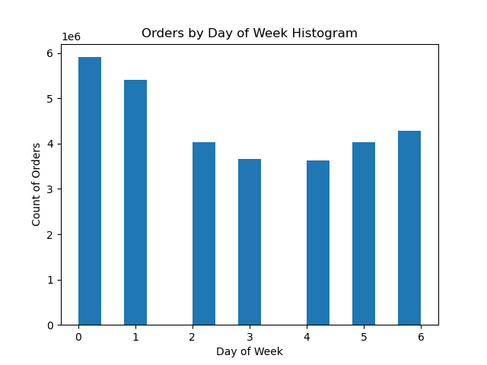
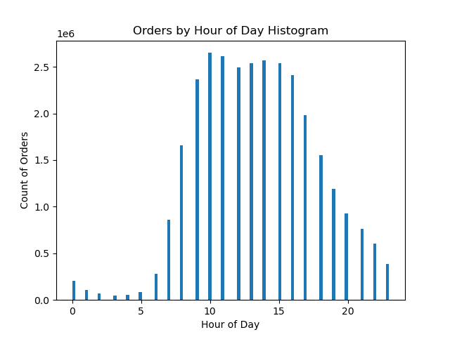
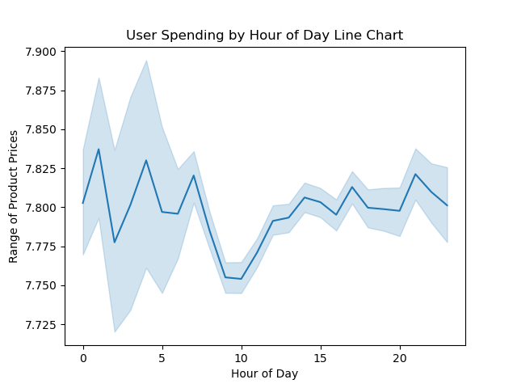

 |  | Produce, dairy/eggs, and beverages are the most popular departments among all age groups, parents, and users with no dependents.
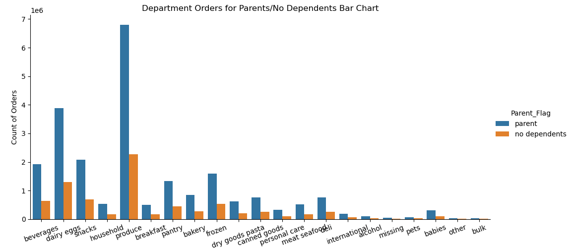
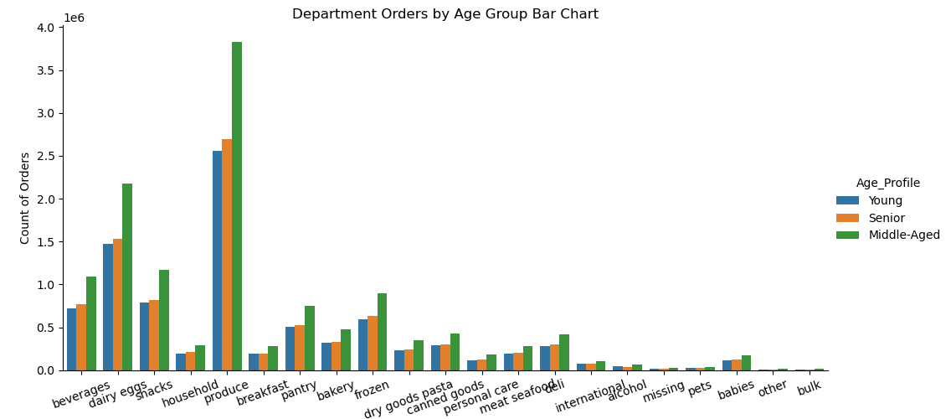

Regular customers are those whose maximum order count is 11-40 orders. Most Instacart users fell within this range and there is a large population of these users in Region 3. This region consists of the following states: Delaware, Maryland, District of Columbia, Virginia, West Virginia, North Carolina, South Carolina, Georgia, Florida, Kentucky, Tennessee, Mississippi, Alabama, Oklahoma, Texas, Arkansas, Louisiana
 |  |  |  |  |  |  | Loyalty status have no influence on department popularity.

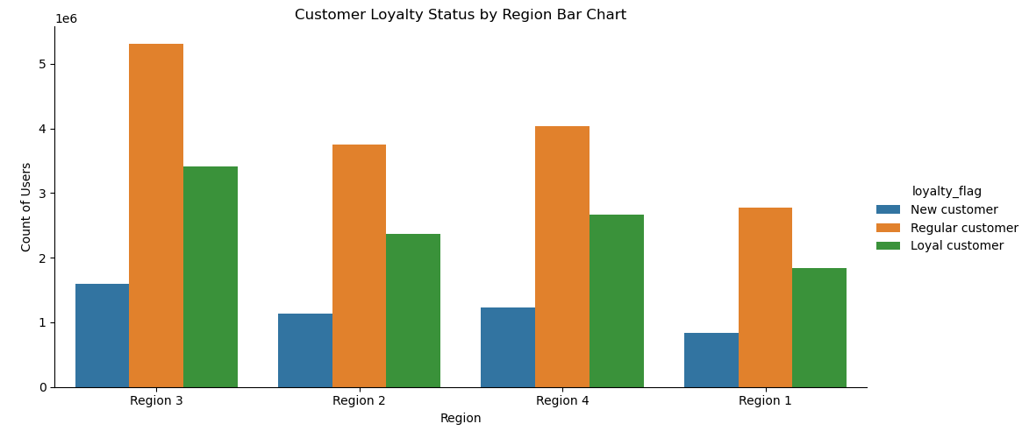
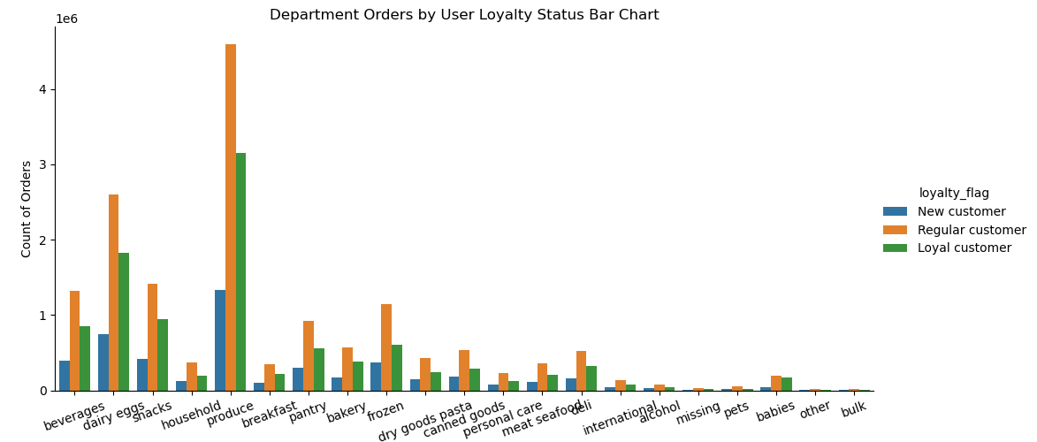

 |  |  |  | Region, age, and family status have no influence on department popularity.

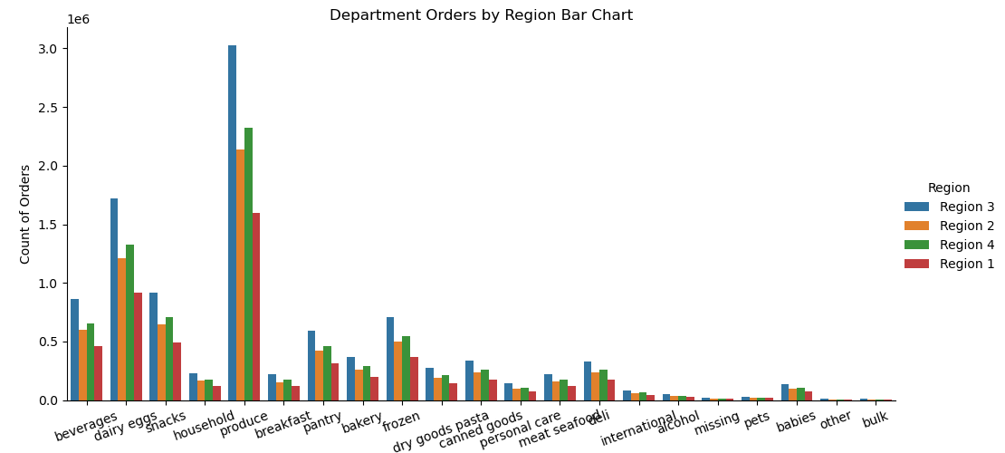
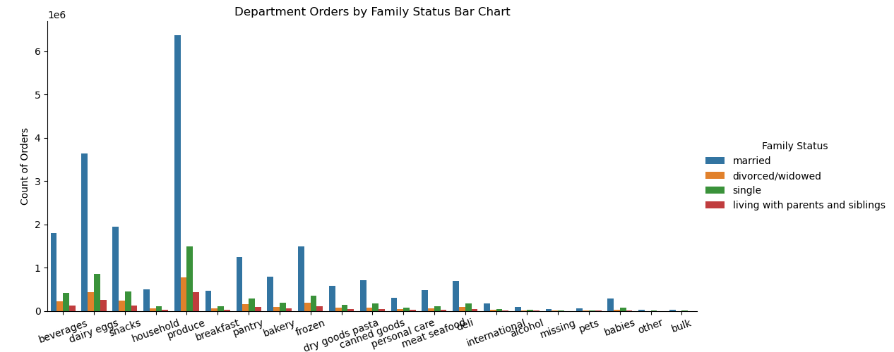

 | Senior-aged users have the highest income among all three age groups. There was no difference detected between parents and users with no dependents. |  |  |  |  | Middle-aged parents make up most of Instacart users.

7. Recommendations
 |  |  |  |  |  |  |  |  |  |  |  |  |  |  | Customer Purchase Analysis

Recommendations

Question |  |  |  |  |  | Answer
Are there certain types of products that are more popular than others? |  |  |  |  |  | Produce, dairy/eggs, and beverages, respectively, were the most popular departments for all users regardless of number of dependents, age, loyalty status, family status, and region.

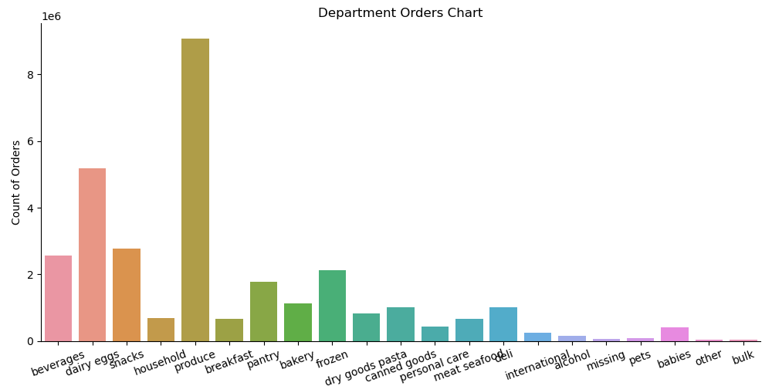

What’s the distribution among users in regards to their brand loyalty (i.e., how often do they return to Instacart)? |  |  |  |  |  | Regular customers make up most of Instacart users. Middle-aged and single users have a larger proportion of loyal customers.

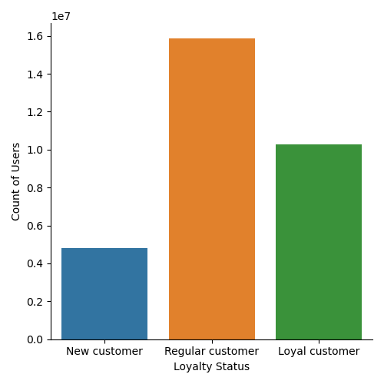
 |  |  |  |  |  | Crosstab displaying counts of users per age group for each loyalty status.
 |  |  |  |  |  | loyalty_flag | Middle-Aged | Senior | Young
 |  |  |  |  |  | Loyal customer | 4357264 | 3053280 | 2873549
 |  |  |  |  |  | New customer | 2014963 | 1431733 | 1356999
 |  |  |  |  |  | Regular customer | 6678399 | 4690120 | 4508257

 |  |  |  |  |  | Loyal % | 33.39% | 33.28% | 32.88%

 |  |  |  |  |  | Crosstab displaying counts of users per family status for each loyalty status.
 |  |  |  |  |  | loyalty_flag | divorced/widowed | living with parents and siblings | married | single
 |  |  |  |  |  | Loyal customer | 882722 | 492749 | 7202500 | 1706122
 |  |  |  |  |  | New customer | 403781 | 221779 | 3380651 | 797484
 |  |  |  |  |  | Regular customer | 1358768 | 766644 | 11160560 | 2590804

 |  |  |  |  |  | Loyal % | 33.37% | 33.27% | 33.12% | 33.49%

Are there differences in ordering habits based on a customer’s loyalty status? |  |  |  |  |  | Department 4 (produce) is the most popular among all customers regardless of loyalty status. Loyal customers are mostly low spenders.

Crosstab displaying order counts per department for each loyalty status.
loyalty_flag | 1 | 10 | 11 | 12 | 13 | 14 | 15 | 16 | 17 | 18 | 19 | 2 | 20 | 21 | 3 | 4 | 5 | 6 | 7 | 8 | 9
Loyal customer | 609460 | 13834 | 123365 | 202480 | 560402 | 221577 | 294594 | 1830707 | 196873 | 167108 | 943150 | 10715 | 324046 | 18350 | 379873 | 3147376 | 38723 | 78394 | 855017 | 25469 | 242580
New customer | 372271 | 4149 | 75442 | 112464 | 299576 | 106179 | 180196 | 750056 | 128117 | 46708 | 413107 | 5839 | 158335 | 12713 | 172104 | 1336604 | 28629 | 43841 | 396649 | 15880 | 144836
Regular customer | 1140000 | 15468 | 225499 | 359837 | 922727 | 343094 | 537284 | 2596419 | 374867 | 196576 | 1410149 | 17857 | 521453 | 33705 | 568851 | 4595293 | 77275 | 133756 | 1320235 | 51711 | 434720

Crosstab displaying counts of high and low spenders for each loyalty status.
loyalty_flag | High spender | Low spender
Loyal customer | 216600 | 10067493
New customer | 84011 | 4719684
Regular customer | 302814 | 15573962

Are there differences in ordering habits based on a customer’s region? |  |  |  |  |  | Department 4 (produce) is the most popular across all regions. Region 2 has the largest proportion of high-spender users.

Crosstab displaying order counts per department for each region.
Region | 1 | 10 | 11 | 12 | 13 | 14 | 15 | 16 | 17 | 18 | 19 | 2 | 20 | 21 | 3 | 4 | 5 | 6 | 7 | 8 | 9
Region 1 | 370436 | 5599 | 74765 | 118571 | 312731 | 117904 | 176936 | 914616 | 124604 | 72712 | 493154 | 6268 | 178398 | 11512 | 199300 | 1593004 | 25017 | 44678 | 462929 | 17734 | 143817
Region 2 | 498225 | 7929 | 100398 | 158260 | 420334 | 156155 | 237459 | 1212490 | 166992 | 95741 | 645143 | 7983 | 234464 | 15563 | 261753 | 2134115 | 34043 | 60666 | 598979 | 21358 | 193463
Region 3 | 709906 | 11180 | 142496 | 224120 | 591754 | 223172 | 337458 | 1723016 | 230061 | 139511 | 916780 | 11579 | 333620 | 21787 | 371620 | 3027476 | 48813 | 84649 | 859419 | 29909 | 272813
Region 4 | 543164 | 8743 | 106647 | 173830 | 457886 | 173619 | 260221 | 1327060 | 178200 | 102428 | 711329 | 8581 | 257352 | 15906 | 288155 | 2324678 | 36754 | 65998 | 650574 | 24059 | 212043

Crosstab displaying spending habits of users by region.
spending_flag | Region 1 | Region 2 | Region 3 | Region 4
High spender | 108225 | 155975 | 209691 | 160354
Low spender | 5614511 | 7441350 | 10582194 | 8132559

High spender % | 1.89% | 2.05% | 1.94% | 1.93%

Is there a connection between age and family status in terms of ordering habits? |  |  |  |  |  | Department 4 (produce) is the most popular regardless of age group and family status. Seniors and married users have the largest proportion of high-spenders.

Crosstabs displaying spending habits of users by age profile and family status. |  |  |  |  |  |  | living with parents and siblings
spending_flag | Middle-Aged | Senior | Young |  | spending_flag | divorced/widowed |  | married | single
High spender | 257697 | 183668 | 162060 |  | High spender | 50321 | 27926 | 429457 | 95721
Low spender | 12792929 | 8991465 | 8576745 |  | Low spender | 2594950 | 1453246 | 21314254 | 4998689

High spender % | 1.97% | 2.00% | 1.85% |  | High spender % | 1.90% | 1.89% | 1.98% | 1.88%

What different classifications does the demographic information suggest? Age? Income? Certain types of goods? Family status? |  |  |  |  |  | Instacart users are mostly middle-aged with dependents. Seniors have the highest income and young users have the lowest income. Produce, dairy/eggs, and beverages are the most popular departments which suggests that these departments contain products that are staples for all groups.

What differences can you find in ordering habits of different customer profiles? |  |  |  |  |  | Middle-aged, single, and low-spender users are mostly loyal customers. Seniors and married users are high spenders. Regular customers (users with maximum orders ranging from 11-40) make up most of Instacart users.

 |  |  |  |  |  | Final thoughts:
 |  |  |  |  |  | The marketing and sales teams should increase advertising during peak hours (10am-11am) on the slowest days of the week (Tuesdays and Wednesdays). The items advertised should be low price-ranged products because low-spenders are the most loyal users. The products advertised should include items from the most popular departments for all user groups and regions (produce, dairy/eggs, and beverage). Advertising should focus on middle-aged, married, parents because these labels make up most of Instacart's customer demographic. Lastly, the teams may want to consider redefining each loyalty status. Average prices and length of membership in addition to number of orders would give more precise results.

